Fig 6
 | Referance gene: EF1α (PCR efficiency 91.1%) |  |  |  |  |  |  |  |  |  | Referance gene: β-Tublin (PCR efficiency 90.3%) |  |  |  |  |  |  |  |  |  | Referance gene: β-Actin (PCR efficiency 89.8%)
 |  | Ct |  | Avr |  | ΔCt (WT avr - each sample) |  | PCR efficiency^ΔCt |  | Relative expression (WT=1) |  | Ct |  | Avr |  | ΔCt (WT avr - each sample) |  | PCR efficiency^ΔCt |  | Relative expression (WT=1) |  | Ct |  | Avr |  | ΔCt (WT avr - each sample) |  | PCR efficiency^ΔCt |  | Relative expression (WT=1)
 | Strain | Target | Ref | Target | Ref | Target | Ref | Target | Tub | Terget/Reference | Strain | Target | Ref | Target | Ref | Target | Ref | Target | Tub | Terget/Reference | Strain | Target | Ref | Target | Ref | Target | Ref | Target | Tub | Terget/Reference
Target gene: C16ELO (PCR efficiency 90.8%) | WT | 22.79 | 15.86 | 22.846666667 | 15.823333333 | 0.056666666667 | -0.036666666667 | 1.0372820467 | 0.97655215605 | 1.1 | WT | 22.79 | 20.6 | 22.846666667 | 20.703333333 | 0.056666666667 | 0.10333333333 | 1.0372820467 | 1.0710717276 | 1.0 | WT | 22.79 | 16.21 | 22.846666667 | 15.973333333 | 0.056666666667 | -0.23666666667 | 1.0372820467 | 0.85928368115 | 1.2
 |  | 22.89 | 15.77 |  |  | -0.043 | 0.053 | 0.97239692485 | 1.0351146287 | 0.9 |  | 22.89 | 20.87 |  |  | -0.043 | -0.167 | 0.97239692485 | 0.8951700746 | 1.1 |  | 22.89 | 16.21 |  |  | -0.043 | -0.237 | 0.97239692485 | 0.85928368115 | 1.1
 |  | 22.86 | 15.84 |  |  | -0.013 | -0.017 | 0.99142430624 | 0.98927289614 | 1.0 |  | 22.86 | 20.64 |  |  | -0.013 | 0.063 | 0.99142430624 | 1.04297978 | 1.0 |  | 22.86 | 15.5 |  |  | -0.013 | 0.473 | 0.99142430624 | 1.3543374005 | 0.7
 | Δ4DES KO | 23.13 | 15.94 |  |  | -0.283 | -0.117 | 0.83275201855 | 0.92728401621 | 0.9 | Δ4DES KO | 23.13 | 19.49 |  |  | -0.283 | 1.213 | 0.83275201855 | 2.2393787715 | 0.4 | Δ4DES KO | 23.13 | 15.7 |  |  | -0.283 | 0.273 | 0.83275201855 | 1.1914275278 | 0.7
 |  | 23.88 | 16.84 |  |  | -1.033 | -1.017 | 0.51299845924 | 0.51794392468 | 1.0 |  | 23.88 | 20.5 |  |  | -1.033 | 0.203 | 0.51299845924 | 1.1446566151 | 0.4 |  | 23.88 | 15.04 |  |  | -1.033 | 0.933 | 0.51299845924 | 1.8186248772 | 0.3
 |  | 23.21 | 16 |  |  | -0.363 | -0.177 | 0.79081166444 | 0.89197107615 | 0.9 |  | 23.21 | 19.53 |  |  | -0.363 | 1.173 | 0.79081166444 | 2.1806445995 | 0.4 |  | 23.21 | 16.03 |  |  | -0.363 | -0.057 | 0.79081166444 | 0.9643393344 | 0.8
 | C20ELO KO | 21.51 | 15.88 |  |  | 1.337 | -0.057 | 2.3712585077 | 0.96399498784 | 2.5 | C20ELO KO | 21.51 | 20.85 |  |  | 1.337 | -0.147 | 2.3712585077 | 0.90714537087 | 2.6 | C20ELO KO | 21.51 | 16.75 |  |  | 1.337 | -0.777 | 2.3712585077 | 0.6079342503 | 3.9
 |  | 21.04 | 15.83 |  |  | 1.807 | -0.007 | 3.2123979418 | 0.99569527041 | 3.2 |  | 21.04 | 20.81 |  |  | 1.807 | -0.107 | 3.2123979418 | 0.93157871147 | 3.4 |  | 21.04 | 15.34 |  |  | 1.807 | 0.633 | 3.2123979418 | 1.5005631087 | 2.1
 |  | 20.7 | 15.15 |  |  | 2.147 | 0.673 | 4.0013865324 | 1.5460699315 | 2.6 |  | 20.7 | 20.23 |  |  | 2.147 | 0.473 | 4.0013865324 | 1.3695825777 | 2.9 |  | 20.7 | 16.45 |  |  | 2.147 | -0.477 | 4.0013865324 | 0.73679297117 | 5.4
 | Δ5DES KO | 21.98 | 15.51 |  |  | 0.867 | 0.313 | 1.7503643734 | 1.2247772808 | 1.4 | Δ5DES KO | 21.98 | 20.72 |  |  | 0.867 | -0.017 | 1.7503643734 | 0.9889869376 | 1.8 | Δ5DES KO | 21.98 | 15.77 |  |  | 0.867 | 0.203 | 1.7503643734 | 1.1391656886 | 1.5
 |  | 22.12 | 15.11 |  |  | 0.727 | 0.713 | 1.5990198939 | 1.5866110282 | 1.0 |  | 22.12 | 20.1 |  |  | 0.727 | 0.603 | 1.5990198939 | 1.4931446743 | 1.1 |  | 22.12 | 16.37 |  |  | 0.727 | -0.397 | 1.5990198939 | 0.77554887248 | 2.1
 |  | 22.09 | 15.08 |  |  | 0.757 | 0.743 | 1.6303087232 | 1.6177129782 | 1.0 |  | 22.09 | 20.43 |  |  | 0.757 | 0.273 | 1.6303087232 | 1.1991538032 | 1.4 |  | 22.09 | 16.38 |  |  | 0.757 | -0.407 | 1.6303087232 | 0.77059503893 | 2.1

 |  | Ct |  | Avr |  | ΔCt (WT avr - each sample) |  | PCR efficiency^ΔCt |  | Relative expression (WT=1) |  | Ct |  | Avr |  | ΔCt (WT avr - each sample) |  | PCR efficiency^ΔCt |  | Relative expression (WT=1) |  | Ct |  | Avr |  | ΔCt (WT avr - each sample) |  | PCR efficiency^ΔCt |  | Relative expression (WT=1)
 | Strain | Target | Ref | Target | Ref | Target | Ref | Target | Tub | Terget/Reference | Strain | Target | Ref | Target | Ref | Target | Ref | Target | Tub | Terget/Reference | Strain | Target | Ref | Target | Ref | Target | Ref | Target | Tub | Terget/Reference
Target gene: C18ELO (PCR efficiency 93.5%) | WT | 22.61 | 15.86 | 22.386666667 | 15.776666667 | -0.22333333333 | -0.083333333333 | 0.86294497704 | 0.94750291059 | 0.9 | WT | 22.61 | 20.6 | 22.386666667 | 20.69 | -0.22333333333 | 0.09 | 0.86294497704 | 1.0616246651 | 0.8 | WT | 22.61 | 16.21 | 22.386666667 | 15.446666667 | -0.22333333333 | -0.76333333333 | 0.86294536925 | 0.61315069917 | 1.4
 |  | 21.67 | 15.63 |  |  | 0.717 | 0.147 | 1.6048237727 | 1.099558214 | 1.5 |  | 21.67 | 20.83 |  |  | 0.717 | -0.140 | 1.6048237727 | 0.91117263141 | 1.8 |  | 21.67 | 14.63 |  |  | 0.717 | 0.817 | 1.6048214321 | 1.6876222268 | 1.0
 |  | 22.88 | 15.84 |  |  | -0.493 | -0.063 | 0.72208703239 | 0.9598452501 | 0.8 |  | 22.88 | 20.64 |  |  | -0.493 | 0.050 | 0.72208703239 | 1.033780494 | 0.7 |  | 22.88 | 15.5 |  |  | -0.493 | -0.053 | 0.72208775733 | 0.96640136693 | 0.7
 | Δ4DES KO | 23.85 | 15.94 |  |  | -1.463 | -0.163 | 0.38066769076 | 0.89970033741 | 0.4 | Δ4DES KO | 23.85 | 19.49 |  |  | -1.463 | 1.200 | 0.38066769076 | 2.219627012 | 0.2 | Δ4DES KO | 23.85 | 15.7 |  |  | -1.463 | -0.253 | 0.38066882437 | 0.85015535349 | 0.4
 |  | 24.07 | 16.84 |  |  | -1.683 | -1.063 | 0.32921877816 | 0.50253678016 | 0.7 |  | 24.07 | 20.5 |  |  | -1.683 | 0.190 | 0.32921877816 | 1.1345605195 | 0.3 |  | 24.07 | 15.04 |  |  | -1.683 | 0.407 | 0.32921990596 | 1.2976984661 | 0.3
 |  | 24.25 | 16 |  |  | -1.863 | -0.223 | 0.29234043746 | 0.86543784229 | 0.3 |  | 24.25 | 19.53 |  |  | -1.863 | 1.160 | 0.29234043746 | 2.1614108869 | 0.1 |  | 24.25 | 16.03 |  |  | -1.863 | -0.583 | 0.29234154601 | 0.68811423992 | 0.4
 | C20ELO KO | 20.75 | 15.88 |  |  | 1.637 | -0.103 | 2.9453623881 | 0.93531927723 | 3.1 | C20ELO KO | 20.75 | 20.85 |  |  | 1.637 | -0.160 | 2.9453623881 | 0.89914417097 | 3.3 | C20ELO KO | 20.75 | 16.75 |  |  | 1.637 | -1.303 | 2.945352578 | 0.43379773037 | 6.8
 |  | 19.34 | 15.83 |  |  | 3.047 | -0.053 | 7.4697334102 | 0.96607657965 | 7.7 |  | 19.34 | 20.81 |  |  | 3.047 | -0.120 | 7.4697334102 | 0.92336200471 | 8.1 |  | 19.34 | 15.34 |  |  | 3.047 | 0.107 | 7.4696870972 | 1.0707422234 | 7.0
 |  | 19.43 | 15.15 |  |  | 2.957 | 0.627 | 7.0389397729 | 1.5000793875 | 4.7 |  | 19.43 | 20.23 |  |  | 2.957 | 0.460 | 7.0389397729 | 1.357502591 | 5.2 |  | 19.43 | 16.45 |  |  | 2.957 | -1.003 | 7.0388974201 | 0.52574619457 | 13.4
 | Δ5DES KO | 20.53 | 15.51 |  |  | 1.857 | 0.267 | 3.4056511144 | 1.1883441464 | 2.9 | Δ5DES KO | 20.53 | 20.72 |  |  | 1.857 | -0.030 | 3.4056511144 | 0.98026387905 | 3.5 | Δ5DES KO | 20.53 | 15.77 |  |  | 1.857 | -0.323 | 3.4056382465 | 0.81286338117 | 4.2
 |  | 20.96 | 15.11 |  |  | 1.427 | 0.667 | 2.5641518813 | 1.5394145185 | 1.7 |  | 20.96 | 20.1 |  |  | 1.427 | 0.590 | 2.5641518813 | 1.4799748457 | 1.7 |  | 20.96 | 16.37 |  |  | 1.427 | -0.923 | 2.5641444367 | 0.55340086614 | 4.6
 |  | 21.16 | 15.08 |  |  | 1.227 | 0.697 | 2.2470626623 | 1.5695912869 | 1.4 |  | 21.16 | 20.43 |  |  | 1.227 | 0.260 | 2.2470626623 | 1.1885770317 | 1.9 |  | 21.16 | 16.38 |  |  | 1.227 | -0.933 | 2.2470570529 | 0.54986600731 | 4.1

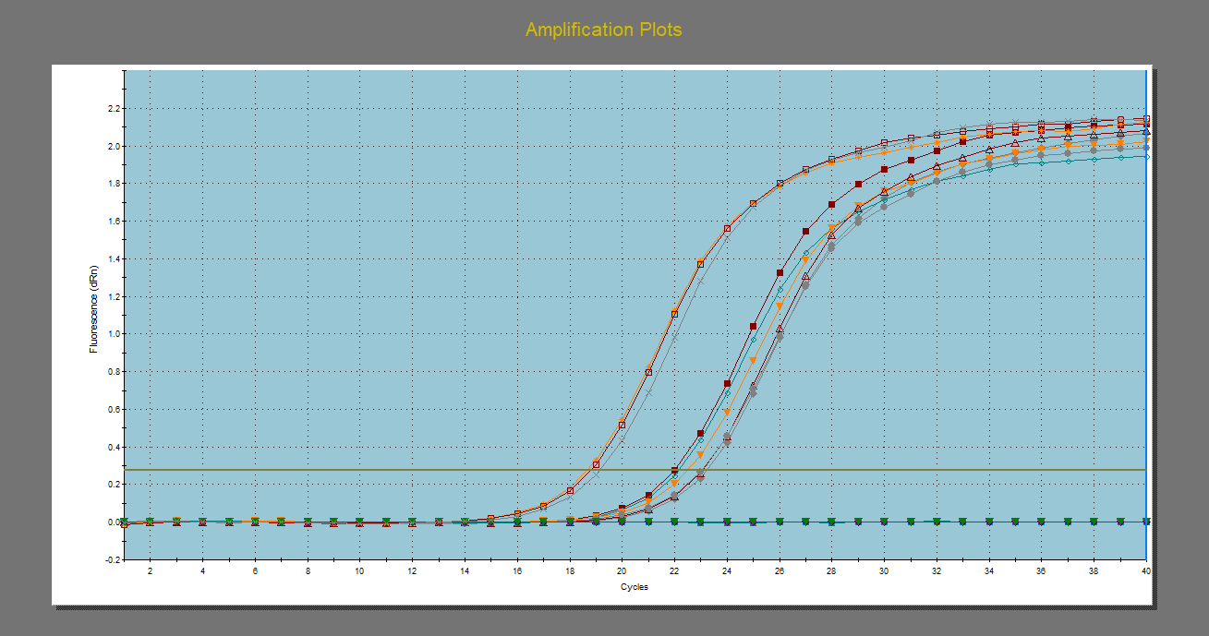
 |  | Ct |  | Avr |  | ΔCt (WT avr - each sample) |  | PCR efficiency^ΔCt |  | Relative expression (WT=1) |  | Ct |  | Avr |  | ΔCt (WT avr - each sample) |  | PCR efficiency^ΔCt |  | Relative expression (WT=1) |  | Ct |  | Avr |  | ΔCt (WT avr - each sample) |  | PCR efficiency^ΔCt |  | Relative expression (WT=1)
 | Strain | Target | Ref | Target | Ref | Target | Ref | Target | Tub | Terget/Reference | Strain | Target | Ref | Target | Ref | Target | Ref | Target | Tub | Terget/Reference | Strain | Target | Ref | Target | Ref | Target | Ref | Target | Tub | Terget/Reference
Target gene: C20ELO (PCR efficiency 91.6%) | WT | 21.98 | 15.86 | 21.87 | 15.776666667 | -0.11 | -0.083333333333 | 0.93095356181 | 0.94750291059 | 1.0 | WT | 21.98 | 20.6 | 21.87 | 20.69 | -0.11 | 0.09 | 0.93095356181 | 1.0616246651 | 0.9 | WT | 21.98 | 16.21 | 21.87 | 15.446666667 | -0.11 | -0.76333333333 | 0.93095356181 | 0.61315069917 | 1.5
 |  | 21.46 | 15.63 |  |  | 0.410 | 0.147 | 1.3056108531 | 1.099558214 | 1.2 |  | 21.46 | 20.83 |  |  | 0.410 | -0.140 | 1.3056108531 | 0.91117263141 | 1.4 |  | 21.46 | 14.63 |  |  | 0.410 | 0.817 | 1.3056108531 | 1.6876222268 | 0.8
 |  | 22.17 | 15.84 |  |  | -0.300 | -0.063 | 0.82273169904 | 0.9598452501 | 0.9 |  | 22.17 | 20.64 |  |  | -0.300 | 0.050 | 0.82273169904 | 1.033780494 | 0.8 |  | 22.17 | 15.5 |  |  | -0.300 | -0.053 | 0.82273169904 | 0.96640136693 | 0.9
 | Δ4DES KO | 22.52 | 15.94 |  |  | -0.650 | -0.163 | 0.65522858078 | 0.89970033741 | 0.7 | Δ4DES KO | 22.52 | 19.49 |  |  | -0.650 | 1.200 | 0.65522858078 | 2.219627012 | 0.3 | Δ4DES KO | 22.52 | 15.7 |  |  | -0.650 | -0.253 | 0.65522858078 | 0.85015535349 | 0.8
 |  | 23.06 | 16.84 |  |  | -1.190 | -1.063 | 0.46116638969 | 0.50253678016 | 0.9 |  | 23.06 | 20.5 |  |  | -1.190 | 0.190 | 0.46116638969 | 1.1345605195 | 0.4 |  | 23.06 | 15.04 |  |  | -1.190 | 0.407 | 0.46116638969 | 1.2976984661 | 0.4
 |  | 23.02 | 16 |  |  | -1.150 | -0.223 | 0.47332184695 | 0.86543784229 | 0.5 |  | 23.02 | 19.53 |  |  | -1.150 | 1.160 | 0.47332184695 | 2.1614108869 | 0.2 |  | 23.02 | 16.03 |  |  | -1.150 | -0.583 | 0.47332184695 | 0.68811423992 | 0.7
 | C20ELO KO | No Ct | 15.88 |  |  | #VALUE! | -0.103 | #VALUE! | 0.93531927723 | #VALUE! | C20ELO KO | No Ct | 20.85 |  |  | #VALUE! | -0.160 | #VALUE! | 0.89914417097 | #VALUE! | C20ELO KO | No Ct | 16.75 |  |  | #VALUE! | -1.303 | #VALUE! | 0.43379773037 | #VALUE!
 |  | No CT | 15.83 |  |  | #VALUE! | -0.053 | #VALUE! | 0.96607657965 | #VALUE! |  | No Ct | 20.81 |  |  | #VALUE! | -0.120 | #VALUE! | 0.92336200471 | #VALUE! |  | No Ct | 15.34 |  |  | #VALUE! | 0.107 | #VALUE! | 1.0707422234 | #VALUE!
 |  | No CT | 15.15 |  |  | #VALUE! | 0.627 | #VALUE! | 1.5000793875 | #VALUE! |  | No Ct | 20.23 |  |  | #VALUE! | 0.460 | #VALUE! | 1.357502591 | #VALUE! |  | No Ct | 16.45 |  |  | #VALUE! | -1.003 | #VALUE! | 0.52574619457 | #VALUE!
 | Δ5DES KO | 18.65 | 15.51 |  |  | 3.220 | 0.267 | 8.1201052524 | 1.1883441464 | 6.8 | Δ5DES KO | 18.65 | 20.72 |  |  | 3.220 | -0.030 | 8.1201052524 | 0.98026387905 | 8.3 | Δ5DES KO | 18.65 | 15.77 |  |  | 3.220 | -0.323 | 8.1201052524 | 0.81286338117 | 10.0
No Ct
 |  | 18.78 | 15.11 |  |  | 3.090 | 0.667 | 7.4617419403 | 1.5394145185 | 4.8 |  | 18.78 | 20.1 |  |  | 3.090 | 0.590 | 7.4617419403 | 1.4799748457 | 5.0 |  | 18.78 | 16.37 |  |  | 3.090 | -0.923 | 7.4617419403 | 0.55340086614 | 13.5
 |  | 19.13 | 15.08 |  |  | 2.740 | 0.697 | 5.9425771334 | 1.5695912869 | 3.8 |  | 19.13 | 20.43 |  |  | 2.740 | 0.260 | 5.9425771334 | 1.1885770317 | 5.0 |  | 19.13 | 16.38 |  |  | 2.740 | -0.933 | 5.9425771334 | 0.54986600731 | 10.8

 |  | Ct |  | Avr |  | ΔCt (WT avr - each sample) |  | PCR efficiency^ΔCt |  | Relative expression (WT=1) |  | Ct |  | Avr |  | ΔCt (WT avr - each sample) |  | PCR efficiency^ΔCt |  | Relative expression (WT=1) |  | Ct |  | Avr |  | ΔCt (WT avr - each sample) |  | PCR efficiency^ΔCt |  | Relative expression (WT=1)
 | Strain | Target | Ref | Target | Ref | Target | Ref | Target | Tub | Terget/Reference | Strain | Target | Ref | Target | Ref | Target | Ref | Target | Tub | Terget/Reference | Strain | Target | Ref | Target | Ref | Target | Ref | Target | Tub | Terget/Reference
Target gene: Δ9DES (PCR efficiency 88.8%) | WT | 25.65 | 15.86 | 25.27 | 15.776666667 | -0.38 | -0.083333333333 | 0.78542439219 | 0.94750291059 | 0.8 | WT | 25.65 | 20.6 | 25.27 | 20.69 | -0.38 | 0.09 | 0.78542439219 | 1.0616246651 | 0.7 | WT | 25.65 | 16.21 | 25.27 | 15.446666667 | -0.38 | -0.76333333333 | 0.78542439219 | 0.61315069917 | 1.3
 |  | 24.54 | 15.63 |  |  | 0.730 | 0.147 | 1.5904132966 | 1.099558214 | 1.4 |  | 24.54 | 20.83 |  |  | 0.730 | -0.140 | 1.5904132966 | 0.91117263141 | 1.7 |  | 24.54 | 14.63 |  |  | 0.730 | 0.817 | 1.5904132966 | 1.6876222268 | 0.9
 |  | 25.62 | 15.84 |  |  | -0.350 | -0.063 | 0.80054475675 | 0.9598452501 | 0.8 |  | 25.62 | 20.64 |  |  | -0.350 | 0.050 | 0.80054475675 | 1.033780494 | 0.8 |  | 25.62 | 15.5 |  |  | -0.350 | -0.053 | 0.80054475675 | 0.96640136693 | 0.8
 | Δ4DES KO | 26.73 | 15.94 |  |  | -1.460 | -0.163 | 0.39534841688 | 0.89970033741 | 0.4 | Δ4DES KO | 26.73 | 19.49 |  |  | -1.460 | 1.200 | 0.39534841688 | 2.219627012 | 0.2 | Δ4DES KO | 26.73 | 15.7 |  |  | -1.460 | -0.253 | 0.39534841688 | 0.85015535349 | 0.5
 |  | 26.82 | 16.84 |  |  | -1.550 | -1.063 | 0.37336732277 | 0.50253678016 | 0.7 |  | 26.82 | 20.5 |  |  | -1.550 | 0.190 | 0.37336732277 | 1.1345605195 | 0.3 |  | 26.82 | 15.04 |  |  | -1.550 | 0.407 | 0.37336732277 | 1.2976984661 | 0.3
 |  | 27.39 | 16 |  |  | -2.120 | -0.223 | 0.25989198286 | 0.86543784229 | 0.3 |  | 27.39 | 19.53 |  |  | -2.120 | 1.160 | 0.25989198286 | 2.1614108869 | 0.1 |  | 27.39 | 16.03 |  |  | -2.120 | -0.583 | 0.25989198286 | 0.68811423992 | 0.4
 | C20ELO KO | 22.86 | 15.88 |  |  | 2.410 | -0.103 | 4.6265689023 | 0.93531927723 | 4.9 | C20ELO KO | 22.86 | 20.85 |  |  | 2.410 | -0.160 | 4.6265689023 | 0.89914417097 | 5.1 | C20ELO KO | 22.86 | 16.75 |  |  | 2.410 | -1.303 | 4.6265689023 | 0.43379773037 | 10.7
 |  | 22.07 | 15.83 |  |  | 3.200 | -0.053 | 7.644190437 | 0.96607657965 | 7.9 |  | 22.07 | 20.81 |  |  | 3.200 | -0.120 | 7.644190437 | 0.92336200471 | 8.3 |  | 22.07 | 15.34 |  |  | 3.200 | 0.107 | 7.644190437 | 1.0707422234 | 7.1
 |  | 22.03 | 15.15 |  |  | 3.240 | 0.627 | 7.8410304728 | 1.5000793875 | 5.2 |  | 22.03 | 20.23 |  |  | 3.240 | 0.460 | 7.8410304728 | 1.357502591 | 5.8 |  | 22.03 | 16.45 |  |  | 3.240 | -1.003 | 7.8410304728 | 0.52574619457 | 14.9
 | Δ5DES KO | 22.46 | 15.51 |  |  | 2.810 | 0.267 | 5.9658931612 | 1.1883441464 | 5.0 | Δ5DES KO | 22.46 | 20.72 |  |  | 2.810 | -0.030 | 5.9658931612 | 0.98026387905 | 6.1 | Δ5DES KO | 22.46 | 15.77 |  |  | 2.810 | -0.323 | 5.9658931612 | 0.81286338117 | 7.3
 |  | 22.46 | 15.11 |  |  | 2.810 | 0.667 | 5.9658931612 | 1.5394145185 | 3.9 |  | 22.46 | 20.1 |  |  | 2.810 | 0.590 | 5.9658931612 | 1.4799748457 | 4.0 |  | 22.46 | 16.37 |  |  | 2.810 | -0.923 | 5.9658931612 | 0.55340086614 | 10.8
 |  | 22.57 | 15.08 |  |  | 2.700 | 0.697 | 5.5630242282 | 1.5695912869 | 3.5 |  | 22.57 | 20.43 |  |  | 2.700 | 0.260 | 5.5630242282 | 1.1885770317 | 4.7 |  | 22.57 | 16.38 |  |  | 2.700 | -0.933 | 5.5630242282 | 0.54986600731 | 10.1

 |  | Ct |  | Avr |  | ΔCt (WT avr - each sample) |  | PCR efficiency^ΔCt |  | Relative expression (WT=1) |  | Ct |  | Avr |  | ΔCt (WT avr - each sample) |  | PCR efficiency^ΔCt |  | Relative expression (WT=1) |  | Ct |  | Avr |  | ΔCt (WT avr - each sample) |  | PCR efficiency^ΔCt |  | Relative expression (WT=1)
...
 |  |  |  |  |  |  |  |  |  |  |  |  |  |  |  |  |  |  |  |  |  |  |  |  |  | ΔCt (WT avr - each sample) |  | PCR efficiency^ΔCt |  | Relative expression (WT=1)
 |  |  |  |  |  |  |  |  |  |  |  |  |  |  |  |  |  |  |  |  |  |  |  |  |  | -1.643 | 0.407 | 0.33703799386 | 1.3102387665 | 0.26
 |  |  |  |  |  |  |  |  |  |  |  |  |  |  |  |  |  |  |  |  |  |  |  |  |  | -1.793 | -0.583 | 0.30518724863 | 0.67868686445 | 0.45
 |  |  |  |  |  |  |  |  |  |  |  |  |  |  |  |  |  |  |  |  |  |  |  |  |  | 1.737 | -1.303 | 3.1560703866 | 0.42063116122 | 7.50
 |  |  |  |  |  |  |  |  |  |  |  |  |  |  |  |  |  |  |  |  |  |  |  |  |  | 2.917 | 0.107 | 6.8912525696 | 1.0734465995 | 6.42
 |  |  |  |  |  |  |  |  |  |  |  |  |  |  |  |  |  |  |  |  |  |  |  |  |  | 2.617 | -1.003 | 5.6503221953 | 0.51341841697 | 11.01
 |  |  |  |  |  |  |  |  |  |  |  |  |  |  |  |  |  |  |  |  |  |  |  |  |  | 3.087 | -0.323 | 7.7118571243 | 0.80667161884 | 9.56
 |  |  |  |  |  |  |  |  |  |  |  |  |  |  |  |  |  |  |  |  |  |  |  |  |  | 2.647 | -0.923 | 5.7636248943 | 0.54144802852 | 10.64
 |  |  |  |  |  |  |  |  |  |  |  |  |  |  |  |  |  |  |  |  |  |  |  |  |  | 2.067 | -0.933 | 3.9263962844 | 0.53786230669 | 7.30

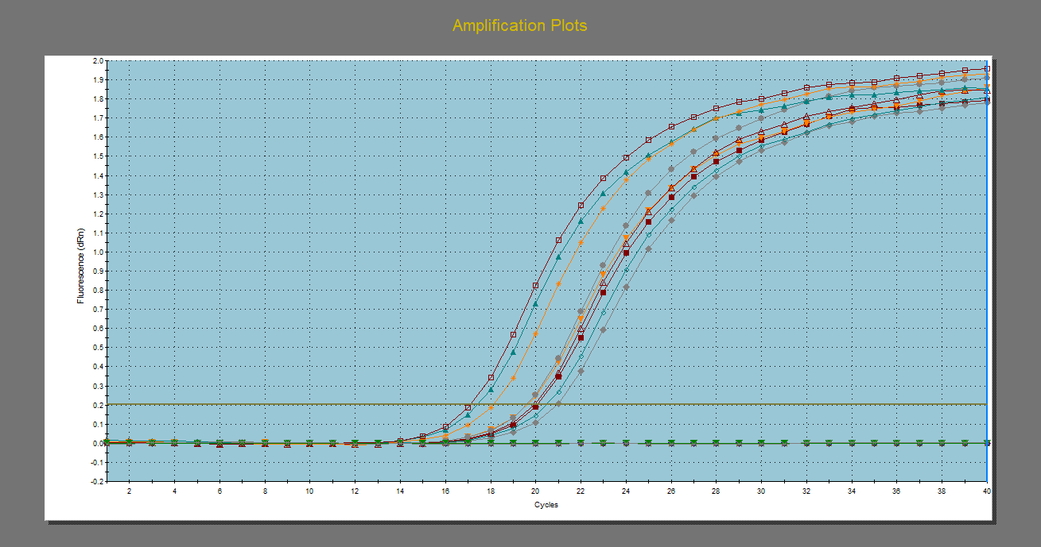
 |  |  |  |  |  |  |  |  |  |  |  |  |  |  |  |  |  |  |  |  |  |  |  |  |  | ΔCt (WT avr - each sample) |  | PCR efficiency^ΔCt |  | Relative expression (WT=1)
 |  |  |  |  |  |  |  |  |  |  |  |  |  |  |  |  |  |  |  |  |  |  |  |  | Ref | Target | Ref | Target | Tub | Terget/Reference
 |  |  |  |  |  |  |  |  |  |  |  |  |  |  |  |  |  |  |  |  |  |  |  |  | 15.446666667 | -0.1 | -0.76333333333 | 0.9368133079 | 0.61315069917 | 1.5
 |  |  |  |  |  |  |  |  |  |  |  |  |  |  |  |  |  |  |  |  |  |  |  |  |  | 0.380 | 0.817 | 1.2814993917 | 1.6876222268 | 0.8
 |  |  |  |  |  |  |  |  |  |  |  |  |  |  |  |  |  |  |  |  |  |  |  |  |  | -0.280 | -0.053 | 0.83296843468 | 0.96640136693 | 0.9
 |  |  |  |  |  |  |  |  |  |  |  |  |  |  |  |  |  |  |  |  |  |  |  |  |  | -0.640 | -0.253 | 0.65853601222 | 0.85015535349 | 0.8
 |  |  |  |  |  |  |  |  |  |  |  |  |  |  |  |  |  |  |  |  |  |  |  |  |  | -1.170 | 0.407 | 0.46595148727 | 1.2976984661 | 0.4
 |  |  |  |  |  |  |  |  |  |  |  |  |  |  |  |  |  |  |  |  |  |  |  |  |  | -0.590 | -0.583 | 0.68038229485 | 0.68811423992 | 1.0
 |  |  |  |  |  |  |  |  |  |  |  |  |  |  |  |  |  |  |  |  |  |  |  |  |  | 3.520 | -1.303 | 9.9497596058 | 0.43379773037 | 22.9
 |  |  |  |  |  |  |  |  |  |  |  |  |  |  |  |  |  |  |  |  |  |  |  |  |  | 3.720 | 0.107 | 11.33721767 | 1.0707422234 | 10.6
 |  |  |  |  |  |  |  |  |  |  |  |  |  |  |  |  |  |  |  |  |  |  |  |  |  | 4.350 | -1.003 | 17.103786261 | 0.52574619457 | 32.5
No Ct
 |  |  |  |  |  |  |  |  |  |  |  |  |  |  |  |  |  |  |  |  |  |  |  |  |  | #VALUE! | -0.323 | #VALUE! | 0.81286338117 | #VALUE!
 |  |  |  |  |  |  |  |  |  |  |  |  |  |  |  |  |  |  |  |  |  |  |  |  |  | #VALUE! | -0.923 | #VALUE! | 0.55340086614 | #VALUE!
 |  |  |  |  |  |  |  |  |  |  |  |  |  |  |  |  |  |  |  |  |  |  |  |  |  | #VALUE! | -0.933 | #VALUE! | 0.54986600731 | #VALUE!

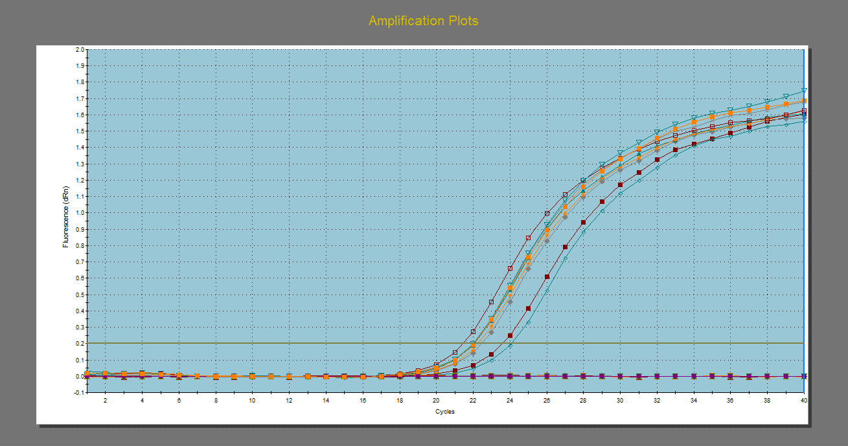
 |  |  |  |  |  |  |  |  |  |  |  |  |  |  |  |  |  |  |  |  |  |  |  |  |  | ΔCt (WT avr - each sample) |  | PCR efficiency^ΔCt |  | Relative expression (WT=1)
 |  |  |  |  |  |  |  |  |  |  |  |  |  |  |  |  |  |  |  |  |  |  |  |  | Ref | Target | Ref | Target | Tub | Terget/Reference
 |  |  |  |  |  |  |  |  |  |  |  |  |  |  |  |  |  |  |  |  |  |  |  |  | 15.973333333 | -0.11333333333 | -0.23666666667 | 0.92946295223 | 0.85928368115 | 1.1
 |  |  |  |  |  |  |  |  |  |  |  |  |  |  |  |  |  |  |  |  |  |  |  |  |  | 0.107 | -0.237 | 1.0712706715 | 0.85928368115 | 1.2
 |  |  |  |  |  |  |  |  |  |  |  |  |  |  |  |  |  |  |  |  |  |  |  |  |  | 0.007 | 0.473 | 1.0043121135 | 1.3543374005 | 0.7
 |  |  |  |  |  |  |  |  |  |  |  |  |  |  |  |  |  |  |  |  |  |  |  |  |  | #VALUE! | 0.273 | #VALUE! | 1.1914275278 | #VALUE!
 |  |  |  |  |  |  |  |  |  |  |  |  |  |  |  |  |  |  |  |  |  |  |  |  |  | #VALUE! | 0.933 | #VALUE! | 1.8186248772 | #VALUE!
 |  |  |  |  |  |  |  |  |  |  |  |  |  |  |  |  |  |  |  |  |  |  |  |  |  | #VALUE! | -0.057 | #VALUE! | 0.9643393344 | #VALUE!
 |  |  |  |  |  |  |  |  |  |  |  |  |  |  |  |  |  |  |  |  |  |  |  |  |  | 1.717 | -0.777 | 3.0282414237 | 0.6079342503 | 5.0
 |  |  |  |  |  |  |  |  |  |  |  |  |  |  |  |  |  |  |  |  |  |  |  |  |  | 2.157 | 0.633 | 4.0227658897 | 1.5005631087 | 2.7
 |  |  |  |  |  |  |  |  |  |  |  |  |  |  |  |  |  |  |  |  |  |  |  |  |  | 2.667 | -0.477 | 5.5908827182 | 0.73679297117 | 7.6
 |  |  |  |  |  |  |  |  |  |  |  |  |  |  |  |  |  |  |  |  |  |  |  |  |  | 2.867 | 0.203 | 6.3612345732 | 1.1391656886 | 5.6
No Ct
 |  |  |  |  |  |  |  |  |  |  |  |  |  |  |  |  |  |  |  |  |  |  |  |  |  | 2.807 | -0.397 | 6.1196009316 | 0.77554887248 | 7.9
 |  |  |  |  |  |  |  |  |  |  |  |  |  |  |  |  |  |  |  |  |  |  |  |  |  | 2.347 | -0.407 | 4.547605009 | 0.77059503893 | 5.9

 |  |  |  |  |  |  |  |  |  |  |  |  |  |  |  |  |  |  |  |  |  |  |  |  |  | ΔCt (WT avr - each sample) |  | PCR efficiency^ΔCt |  | Relative expression (WT=1)
 |  |  |  |  |  |  |  |  |  |  |  |  |  |  |  |  |  |  |  |  |  |  |  |  | Ref | Target | Ref | Target | Tub | Terget/Reference
 |  |  |  |  |  |  |  |  |  |  |  |  |  |  |  |  |  |  |  |  |  |  |  |  | 15.973333333 | -0.08 | -0.23666666667 | 0.94652629762 | 0.85928368115 | 1.102
 |  |  |  |  |  |  |  |  |  |  |  |  |  |  |  |  |  |  |  |  |  |  |  |  |  | 0.070 | -0.237 | 1.0492618942 | 0.85928368115 | 1.221
 |  |  |  |  |  |  |  |  |  |  |  |  |  |  |  |  |  |  |  |  |  |  |  |  |  | 0.010 | 0.473 | 1.0068932152 | 1.3543374005 | 0.743
 |  |  |  |  |  |  |  |  |  |  |  |  |  |  |  |  |  |  |  |  |  |  |  |  |  | -0.370 | 0.273 | 0.77555690041 | 1.1914275278 | 0.651
 |  |  |  |  |  |  |  |  |  |  |  |  |  |  |  |  |  |  |  |  |  |  |  |  |  | -0.900 | 0.933 | 0.53888078948 | 1.8186248772 | 0.296
 |  |  |  |  |  |  |  |  |  |  |  |  |  |  |  |  |  |  |  |  |  |  |  |  |  | -0.470 | -0.057 | 0.72406827951 | 0.9643393344 | 0.751
 |  |  |  |  |  |  |  |  |  |  |  |  |  |  |  |  |  |  |  |  |  |  |  |  |  | 1.250 | -0.777 | 2.3600804269 | 0.6079342503 | 3.882
 |  |  |  |  |  |  |  |  |  |  |  |  |  |  |  |  |  |  |  |  |  |  |  |  |  | 2.260 | 0.633 | 4.723366663 | 1.5005631087 | 3.148
 |  |  |  |  |  |  |  |  |  |  |  |  |  |  |  |  |  |  |  |  |  |  |  |  |  | 2.390 | -0.477 | 5.1645923497 | 0.73679297117 | 7.010
...

